Picture
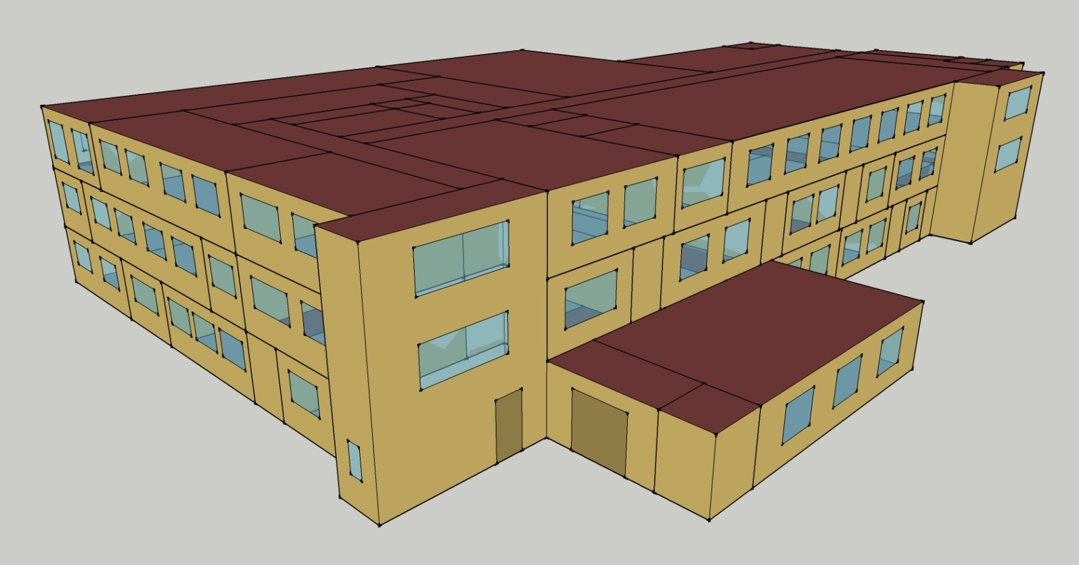
DOE Commercial Building Benchmark - Outpatient Health Care

Elec
 | Cooling | Interior Lighting | Exterior Lighting | Interior Equipment | Fans
Miami | 1,425,000.00 | 244,377.78 | 8,850.00 | 551,600.00 | 324,119.44
Houston | 1,096,400.00 | 244,377.78 | 8,847.22 | 551,600.00 | 294,580.56
Phoenix | 865,433.33 | 244,377.78 | 8,847.22 | 551,600.00 | 314,725.00
Atlanta | 828,333.33 | 244,377.78 | 8,844.44 | 551,600.00 | 296,536.11
Los Angeles | 695,583.33 | 244,377.78 | 8,838.89 | 551,600.00 | 297,008.33
Las Vegas | 619,522.22 | 244,377.78 | 8,836.11 | 551,600.00 | 310,041.67
San Francisco | 326,530.56 | 244,377.78 | 8,841.67 | 551,600.00 | 272,016.67
Baltimore | 688,283.33 | 244,377.78 | 8,836.11 | 551,600.00 | 282,211.11
Albuquerque | 396,341.67 | 244,377.78 | 8,838.89 | 551,600.00 | 325,361.11
Seattle | 257,097.22 | 244,377.78 | 8,822.22 | 551,600.00 | 279,358.33
Chicago | 417,383.33 | 244,377.78 | 8,836.11 | 551,600.00 | 284,775.00
Boulder | 294,894.44 | 244,377.78 | 8,830.56 | 551,600.00 | 318,325.00
Minneapolis | 377,661.11 | 244,377.78 | 8,830.56 | 551,600.00 | 283,891.67
Helena | 208,900.00 | 244,377.78 | 8,827.78 | 551,600.00 | 303,422.22
Duluth | 202,619.44 | 244,377.78 | 8,825.00 | 551,600.00 | 281,463.89
Fairbanks | 124,419.44 | 244,377.78 | 8,769.44 | 551,600.00 | 276,433.33

Gas
 | Heating | Water Systems
Miami | 5,918,120.00 | 36,140.00
Houston | 5,757,670.00 | 41,700.00
Phoenix | 5,952,680.00 | 38,470.00
Atlanta | 5,994,230.00 | 47,070.00
Los Angeles | 6,223,600.00 | 46,030.00
Las Vegas | 5,711,770.00 | 42,350.00
San Francisco | 5,846,190.00 | 50,630.00
Baltimore | 6,028,920.00 | 51,280.00
Albuquerque | 5,454,800.00 | 50,470.00
Seattle | 6,093,210.00 | 53,480.00
Chicago | 6,217,880.00 | 55,000.00
Boulder | 5,558,270.00 | 54,810.00
Minneapolis | 6,482,060.00 | 58,180.00
Helena | 5,969,310.00 | 58,760.00
Duluth | 6,596,750.00 | 63,470.00
Fairbanks | 8,101,310.00 | 69,860.00

EUI
 | Cooling (elec) | Interior Lighting (elec) | Exterior Lighting (elec) | Interior Equipment (elec) | Fans (elec) | Heating (gas) | Water Systems (gas)
Miami | 1348.58 | 231.27 | 8.38 | 522.02 | 306.74 | 1555.76 | 9.50
Houston | 1037.60 | 231.27 | 8.37 | 522.02 | 278.78 | 1513.58 | 10.96
Phoenix | 819.02 | 231.27 | 8.37 | 522.02 | 297.85 | 1564.84 | 10.11
Atlanta | 783.91 | 231.27 | 8.37 | 522.02 | 280.63 | 1575.77 | 12.37
Los Angeles | 658.28 | 231.27 | 8.36 | 522.02 | 281.08 | 1636.06 | 12.10
Las Vegas | 586.30 | 231.27 | 8.36 | 522.02 | 293.41 | 1501.51 | 11.13
San Francisco | 309.02 | 231.27 | 8.37 | 522.02 | 257.43 | 1536.85 | 13.31
Baltimore | 651.37 | 231.27 | 8.36 | 522.02 | 267.08 | 1584.89 | 13.48
Albuquerque | 375.09 | 231.27 | 8.36 | 522.02 | 307.91 | 1433.96 | 13.27
Seattle | 243.31 | 231.27 | 8.35 | 522.02 | 264.38 | 1601.79 | 14.06
Chicago | 395.00 | 231.27 | 8.36 | 522.02 | 269.50 | 1634.56 | 14.46
Boulder | 279.08 | 231.27 | 8.36 | 522.02 | 301.25 | 1461.16 | 14.41
Minneapolis | 357.41 | 231.27 | 8.36 | 522.02 | 268.67 | 1704.01 | 15.29
Helena | 197.70 | 231.27 | 8.35 | 522.02 | 287.15 | 1569.22 | 15.45
Duluth | 191.75 | 231.27 | 8.35 | 522.02 | 266.37 | 1734.16 | 16.69
Fairbanks | 117.75 | 231.27 | 8.30 | 522.02 | 261.61 | 2129.68 | 18.36

Water
 | Total Building | Water for Electricity (m3)
Miami | 243.87 | 1,386.70
Houston | 291.87 | 3,773.47
Phoenix | 571.19 | 68,878.70
Atlanta | 399.49 | 13,519.10
Los Angeles | 350.71 | 34,827.50
Las Vegas | 861.02 | 62,825.40
San Francisco | 311.92 | 27,626.60
Baltimore | 468.61 | 471.75
Albuquerque | 915.17 | 9,671.63
Seattle | 435.89 | 16,754.70
Chicago | 638.89 | 3,047.63
Boulder | 938.48 | 9,327.12
Minneapolis | 679.57 | 3,040.72
Helena | 931.57 | 125,716.00
Duluth | 779.03 | 2,911.01
Fairbanks | 935.24 | 2,046.84

Carbon
 | Carbon Equivalent (kg)
Miami | 828,646.69
Houston | 881,541.20
Phoenix | 811,423.85
Atlanta | 779,321.52
Los Angeles | 348,269.97
Las Vegas | 879,537.73
San Francisco | 293,617.13
Baltimore | 673,760.95
Albuquerque | 972,747.82
Seattle | 233,680.59
Chicago | 1,163,830.00
Boulder | 943,699.66
Minneapolis | 792,205.90
Helena | 837,364.12
Duluth | 765,751.77
Fairbanks | 714,479.05

LghtSch
Lighting Schedules
 | Weekdays | Saturday | Sun, Hol, Other
 | 0.1 | 0.1 | 0.05
 | 0.1 | 0.1 | 0.05
 | 0.1 | 0.1 | 0.05
 | 0.1 | 0.1 | 0.05
 | 0.3 | 0.1 | 0.05
 | 0.3 | 0.1 | 0.05
 | 0.6 | 0.1 | 0.05
 | 0.9 | 0.3 | 0.05
 | 0.9 | 0.3 | 0.1
 | 0.9 | 0.4 | 0.1
 | 0.9 | 0.4 | 0.1
 | 0.9 | 0.4 | 0.1
 | 0.9 | 0.4 | 0.1
 | 0.9 | 0.4 | 0.1
 | 0.9 | 0.4 | 0.1
 | 0.9 | 0.3 | 0.1
 | 0.9 | 0.3 | 0.1
 | 0.9 | 0.3 | 0.05
 | 0.6 | 0.3 | 0.05
 | 0.6 | 0.3 | 0.05
 | 0.3 | 0.1 | 0.05
 | 0.3 | 0.1 | 0.05
 | 0.1 | 0.1 | 0.05
 | 0.1 | 0.1 | 0.05

EqpSch
Equipment Schedules
 | Weekdays | Saturday | Sun, Hol, Other
 | 0.3 | 0.3 | 0.3
 | 0.3 | 0.3 | 0.3
 | 0.3 | 0.3 | 0.3
 | 0.3 | 0.3 | 0.3
 | 0.5 | 0.3 | 0.3
 | 0.5 | 0.3 | 0.3
 | 1 | 0.3 | 0.3
 | 1 | 0.5 | 0.3
 | 1 | 0.5 | 0.5
 | 1 | 0.8 | 0.5
 | 1 | 0.8 | 0.5
 | 1 | 0.8 | 0.5
 | 1 | 0.8 | 0.5
 | 1 | 0.8 | 0.5
 | 1 | 0.8 | 0.5
 | 1 | 0.5 | 0.5
 | 1 | 0.5 | 0.5
 | 1 | 0.5 | 0.3
 | 0.5 | 0.5 | 0.3
 | 0.5 | 0.5 | 0.3
 | 0.3 | 0.3 | 0.3
 | 0.3 | 0.3 | 0.3
 | 0.3 | 0.3 | 0.3
 | 0.3 | 0.3 | 0.3

OccSch
Occupancy Schedules
 | Weekdays | Saturday | Sun, Hol, Other
 | 0.05 | 0.05 | 0
 | 0.05 | 0.05 | 0
 | 0.05 | 0.05 | 0
 | 0.05 | 0.05 | 0
 | 0.2 | 0.05 | 0
 | 0.2 | 0.05 | 0
 | 0.5 | 0.05 | 0
 | 0.9 | 0.2 | 0
 | 0.9 | 0.2 | 0.05
 | 0.9 | 0.3 | 0.05
 | 0.9 | 0.3 | 0.05
 | 0.9 | 0.3 | 0.05
 | 0.9 | 0.3 | 0.05
 | 0.9 | 0.3 | 0.05
 | 0.9 | 0.3 | 0.05
 | 0.9 | 0.2 | 0.05
 | 0.9 | 0.2 | 0.05
 | 0.9 | 0.2 | 0
 | 0.5 | 0.2 | 0
 | 0.5 | 0.2 | 0
 | 0.2 | 0.05 | 0
 | 0.2 | 0.05 | 0
 | 0.05 | 0.05 | 0
 | 0.05 | 0.05 | 0

HeatSch
Heating Set Point Schedules
 | Weekdays | Saturday | Sun, Hol, Other
 | 18.3 | 18.3 | 18.3
 | 18.3 | 18.3 | 18.3
 | 18.3 | 18.3 | 18.3
 | 18.3 | 18.3 | 18.3
 | 18.3 | 18.3 | 18.3
 | 21.1 | 18.3 | 18.3
 | 21.1 | 18.3 | 18.3
 | 21.1 | 21.1 | 18.3
 | 21.1 | 21.1 | 18.3
 | 21.1 | 21.1 | 18.3
 | 21.1 | 21.1 | 18.3
 | 21.1 | 21.1 | 18.3
 | 21.1 | 21.1 | 18.3
 | 21.1 | 21.1 | 18.3
 | 21.1 | 21.1 | 18.3
 | 21.1 | 18.3 | 18.3
 | 21.1 | 18.3 | 18.3
 | 21.1 | 18.3 | 18.3
 | 18.3 | 18.3 | 18.3
 | 18.3 | 18.3 | 18.3
 | 18.3 | 18.3 | 18.3
 | 18.3 | 18.3 | 18.3
 | 18.3 | 18.3 | 18.3
 | 18.3 | 18.3 | 18.3

CoolSch
Cooling Set Point Schedules
 | Weekdays | Saturday | Sun, Hol, Other
 | 25 | 25 | 25
 | 25 | 25 | 25
 | 25 | 25 | 25
 | 25 | 25 | 25
 | 25 | 25 | 25
 | 22.2 | 25 | 25
 | 22.2 | 25 | 25
 | 22.2 | 22.2 | 25
 | 22.2 | 22.2 | 25
 | 22.2 | 22.2 | 25
 | 22.2 | 22.2 | 25
 | 22.2 | 22.2 | 25
 | 22.2 | 22.2 | 25
 | 22.2 | 22.2 | 25
 | 22.2 | 22.2 | 25
 | 22.2 | 25 | 25
 | 22.2 | 25 | 25
 | 22.2 | 25 | 25
 | 25 | 25 | 25
 | 25 | 25 | 25
 | 25 | 25 | 25
 | 25 | 25 | 25
 | 25 | 25 | 25
 | 25 | 25 | 25

